Sheet1
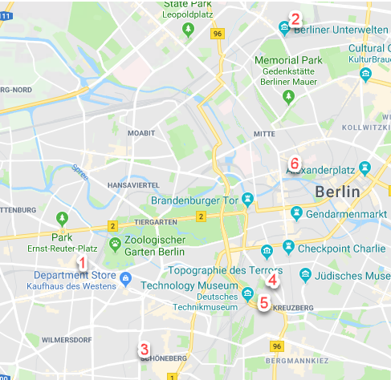
 | rating | ชื่อโรงแรม | ประเภทห้อง | ราคา | location | ใกล้สถานี | มีแอร์? | เว็ป
1 | 8.4 | aletto Hotel Kudamm | Single Bed in 10-Bed Mixed Dormitory Room | 25.52non/28.35 cancel free ถึง 5/9 | Hardenbergstr. 21, Charlottenburg-Wilmersdorf, 10623 Berlin | Zoo 200m away | ไม่มี | https://www.booking.com/hotel/de/aletto-kudamm-berlin.en-gb.html?aid=1258472;label=fac419jc-hotel-en-de-alettoNkudammNberlin-unspec-de-com-L%3Aen-O%3AwindowsS10-B%3Achrome-N%3AXX-S%3Abo-U%3Aao-H%3As;sid=9597353b9b6166f557d190451efdc1b3;all_sr_blocks=33869111_91922894_0_2_0;checkin=2018-09-07;checkout=2018-09-08;dest_id=-1746443;dest_type=city;dist=0;group_adults=1;group_children=0;hapos=1;highlighted_blocks=33869111_91922894_0_2_0;hpos=1;no_rooms=1;room1=A;sb_price_type=total;srepoch=1533507428;srfid=4bb5ebded13c70c52404215cd37de8835d7a8166X1;srpvid=ebc69cb175000194;type=total;ucfs=1&#hotelTmpl
2 | 8.1 | HOSTELO Berlin Mitte | Single Bed in 10-Bed Dormitory Room | 12.75non/15 cancel free ถึง3/9 | Jülicher Straße 14, Mitte, 13357 Berlin | Gesundbrunnen 200-250m away | ไม่มี | https://www.booking.com/hotel/de/hostelo.en-gb.html?aid=1258472;label=fac419jc-hotel-en-de-alettoNkudammNberlin-unspec-de-com-L%3Aen-O%3AwindowsS10-B%3Achrome-N%3AXX-S%3Abo-U%3Aao-H%3As;sid=9597353b9b6166f557d190451efdc1b3;all_sr_blocks=139804106_89911441_1_2_0;checkin=2018-09-07;checkout=2018-09-08;dest_id=-1746443;dest_type=city;dist=0;group_adults=1;group_children=0;hapos=1;highlighted_blocks=139804106_89911441_1_2_0;hpos=1;no_rooms=1;room1=A;sb_price_type=total;srepoch=1533509357;srfid=f2bd178ecfc9a406bf4b2bf5ca24fe4b142daf37X1;srpvid=49dfa075a9b10048;type=total;ucfs=1&#hotelTmpl
3 | 7.9 | Happy Go Lucky Hotel + Hostel Schöneberg | Bed in 6-Bed Dormitory Room | 21 cancel freeถึง 4/9 | 33 Grunewaldstraße, Tempelhof-Schöneberg, 10823 Berlin | U-Eisenacher Str. 200m away | ไม่มี | https://www.booking.com/hotel/de/happygoluckyhotel-schoneberg.en-gb.html?aid=1258472;label=fac419jc-hotel-en-de-alettoNkudammNberlin-unspec-de-com-L%3Aen-O%3AwindowsS10-B%3Achrome-N%3AXX-S%3Abo-U%3Aao-H%3As;sid=9597353b9b6166f557d190451efdc1b3;all_sr_blocks=310095106_116967421_1_2_0;checkin=2018-09-07;checkout=2018-09-08;dest_id=-1746443;dest_type=city;dist=0;group_adults=1;group_children=0;hapos=8;highlighted_blocks=310095106_116967421_1_2_0;hpos=8;no_rooms=1;room1=A;sb_price_type=total;srepoch=1533509357;srfid=f2bd178ecfc9a406bf4b2bf5ca24fe4b142daf37X8;srpvid=49dfa075a9b10048;type=total;ucfs=1&#hotelTmpl
4 | 8.3 | Three Little Pigs Hostel Berlin | Single Bed in 8-Bed Mixed Dormitory Room with Shared Bathroom | 23.1 cancel free ถึง 5/9 | Stresemannstr. 66, Friedrichshain-Kreuzberg, 10963 Berlin | S Anhalter Bahnhof 200m away | ไม่มี | https://www.booking.com/hotel/de/three-little-pigs-hostel.en-gb.html?aid=1258472;label=fac419jc-hotel-en-de-alettoNkudammNberlin-unspec-de-com-L%3Aen-O%3AwindowsS10-B%3Achrome-N%3AXX-S%3Abo-U%3Aao-H%3As;sid=9597353b9b6166f557d190451efdc1b3;all_sr_blocks=7784115_104673560_0_0_0;checkin=2018-09-07;checkout=2018-09-08;dest_id=-1746443;dest_type=city;dist=0;group_adults=1;group_children=0;hapos=16;highlighted_blocks=7784115_104673560_0_0_0;hpos=16;no_rooms=1;room1=A;sb_price_type=total;srepoch=1533509357;srfid=f2bd178ecfc9a406bf4b2bf5ca24fe4b142daf37X16;srpvid=49dfa075a9b10048;type=total;ucfs=1&#hotelTmpl
5 | 9 | Grand Hostel Berlin Classic HOSCARS 2016: 'Best Hostel in Germany', 'No.1 Hostel in Berlin'. | 8 Bed Mixed Dorm | 28 cancel free ถึง 5/9 | Tempelhofer Ufer 14 , Berlin | U-Möckernbrücke 150m away | ไม่มี | https://www.hostelworld.com/hosteldetails.php/Grand-Hostel-Berlin-Classic/Berlin/34160?dateFrom=2018-09-07&dateTo=2018-09-08&number_of_guests=1&sc_pos=1
6 | 8.4 | Heart of Gold Hostel Berlin | Johannisstr. 11, Mitte, 10117 Berlin, Germany | 25.19 non refundable | Johannisstr. 11, Mitte, 10117 Berlin | S-Oranienburger Straße 100m away | ไม่มี | https://www.booking.com/hotel/de/heartofgoldhostelberlin.en-gb.html?label=gen173nr-1DCAEoggJCAlhYSDNYBGg7iAEBmAEuwgEKd2luZG93cyAxMMgBDNgBA-gBAZICAXmoAgM;sid=9597353b9b6166f557d190451efdc1b3;all_sr_blocks=6235810_99507962_0_2_0;checkin=2018-09-07;checkout=2018-09-08;dest_id=-1746443;dest_type=city;dist=0;hapos=19;highlighted_blocks=6235810_99507962_0_2_0;hpos=19;room1=A;sb_price_type=total;srepoch=1533545293;srfid=f2bd178ecfc9a406bf4b2bf5ca24fe4b142daf37X19;srpvid=c6923de5628f032b;type=total;ucfs=1&#hotelTmpl

